sanitation
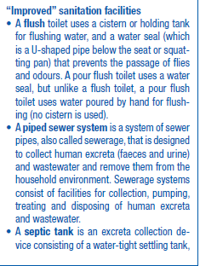
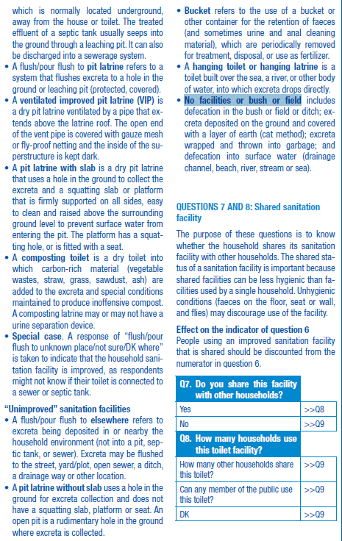
 | variable 1 | variable 2
label var | Improved access to sanitation facilities | Sources of sanitation facilities
varname | improved_sanitation | sanitation_source | label
label value | 1 | 1 | A flush toilet
 |  | 2 | A piped sewer system
 |  | 3 | A septic tank
 |  | 4 | pit latrine
 |  | 5 | ventilated improved pit latrine (VIP)
 |  | 6 | pit latrine with slab
 |  | 7 | composting toilet
 |  | 8 | Special case
 | 0 | 9 | A flush/pour fl ush to elsewhere
 |  | 10 | A pit latrine without slab
 |  | 11 | Bucket
 |  | 12 | hanging toilet or hanging latrine
 |  | 13 | No facilities or bush or fi eld
 |  | 14 | Other
 | variable 3
Access to flushed toilet | toilet_acc | variable | 0 = No 1 = Yes, in premise 2 = Yes , but not in premise including public toilet 3 = Yes, unstated whether in or outside premise

 | variable 4
 | sanitation_original | string

water
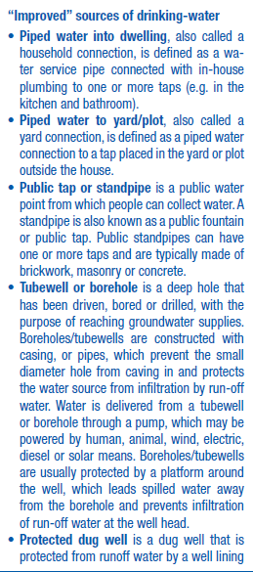
 | variable 1 | variable 2
label var | Improved access to drinking water | Sources of drinking water
varname | improved_water | water_source | label
label value | 1 | 1 | Piped water into dwelling
 |  | 2 | Piped water to yard/plot
 |  | 3 | Public tap or standpipe
 |  | 4 | Tubewell or borehole
 |  | 5 | Protected dug well
 |  | 6 | Protected spring
 |  | 7 | Bottled water
 |  | 8 | Rainwater
 | 0 | 9 | Unprotected spring
 |  | 10 | Unprotected dug well
 |  | 11 | Cart with small tank/drum
 |  | 12 | Tanker-truck
 |  | 13 | Surface water
 |  | 14 | Other

 | variable 3
Access to piped water | pipedwater_acc | variable | 0 = No 1 = Yes, in premise 2 = Yes , but not in premise 3 = Yes, unstated whether in or outside premise

 | variable 4
 | water_original | string

